Sheet1
User story 1:

Requirment | Test conditions | Test cases (Test suite) | Bugs
The user access to product page without login | access to product page | Product_TC_001

The user want to search products with keywords by click button search | search products | Product_TC_002
The user want to search products with keywords by press enter from keyword |  | Product_TC_003 | Product_BUG_001
The user will find the products related to search keywords |  | Product_TC_004
The user wouldn't find the products related to search keywords |  | Product_TC_005 | Product_BUG_002
The search keywords result appeared in first list in one product and other related results to these keywords should appear next | should appear next products | Product_TC_006 | Product_BUG_003
The boxes that contain the product details should be aligned together | Same dimensions height and width of products | Product_TC_007 | Product_BUG_004

Test Cases

ID | Test title | Test preconditions | Test steps | Test data | Expected results | Actual result | Test enviroment | Test status
Product_TC_001 | The user click the navigationbar of product without login | Should be on https://www.automationexercise.com/products | 1- open https://www.automationexercise.com 2-Click the navigationbar of product. | Open successfully | Open successfully | Open successfully | preprod | pass
Product_TC_002 | The user enter keyword in search field with click button search | To be in product page https://www.automationexercise.com/products | 1- open https://www.automationexercise.com/products 2-enter keyword in search field. 3- click on search button | search product: blue | All related search results should be appear | All related search results should be appear | preprod | pass
Product_TC_003 | The user enter keyword in search field with press enter from keyword | To be in product page https://www.automationexercise.com/products | 1- open https://www.automationexercise.com/products 2-enter keyword in search field. 3- press enter from keyword | search product: blue | All related search results should be appear | All related search results didn't be appear | preprod | fail
Product_TC_004 | The user enter keyword in search field with click button search | To be in product page https://www.automationexercise.com/products | 1- open https://www.automationexercise.com/products 2-enter keyword in search field. 3- click on search button | search product: blue | All search result should contain the search keyword. | All search result should contain the search keyword. | preprod | pass
Product_TC_005 | The user enter keyword in search field with click button search | To be in product page https://www.automationexercise.com/products | 1- open https://www.automationexercise.com/products 2-enter keyword in search field. 3- click on search button | search product: shose | User should see message "There is no results related to this search keyword" | No message had appeared | preprod | fail
Product_TC_006 | The user enter keyword in search field with click button search | To be in product page https://www.automationexercise.com/products | 1- open https://www.automationexercise.com/products 2-enter keyword in search field. 3- click on search button | search product: blue top | The search keywords result appeared in first list in one product and other related results to these keywords should appear next | The search keywords result appeared in first list in one product and other related results didn't appear next | preprod | fail
Product_TC_007 | The user enter keyword in search field with click button search | To be in product page https://www.automationexercise.com/products | 1- open https://www.automationexercise.com/products 2-enter keyword in search field. 3- click on search button | search product: blue | The boxes that contain the product details should be aligned together (Same dimensions height and width) | The boxes weren't aligned together(differnent dimensions height and width) | preprod | fail

Bug report

ID | Bug title | Bug preconditions | Steps to reproduce bug | Expected results | Actual results | Test enviroment | Bug severity | Bug priority | Evidence
Product_BUG_001 | The user failed to enter keyword in search field with press enter from keyword | To be in product page https://www.automationexercise.com/products | 1- open https://www.automationexercise.com/products 2-enter keyword in search field. 3- press enter from keyword | All related search results should be appear | All related search results didn't be appear | preprod | critical | medium | 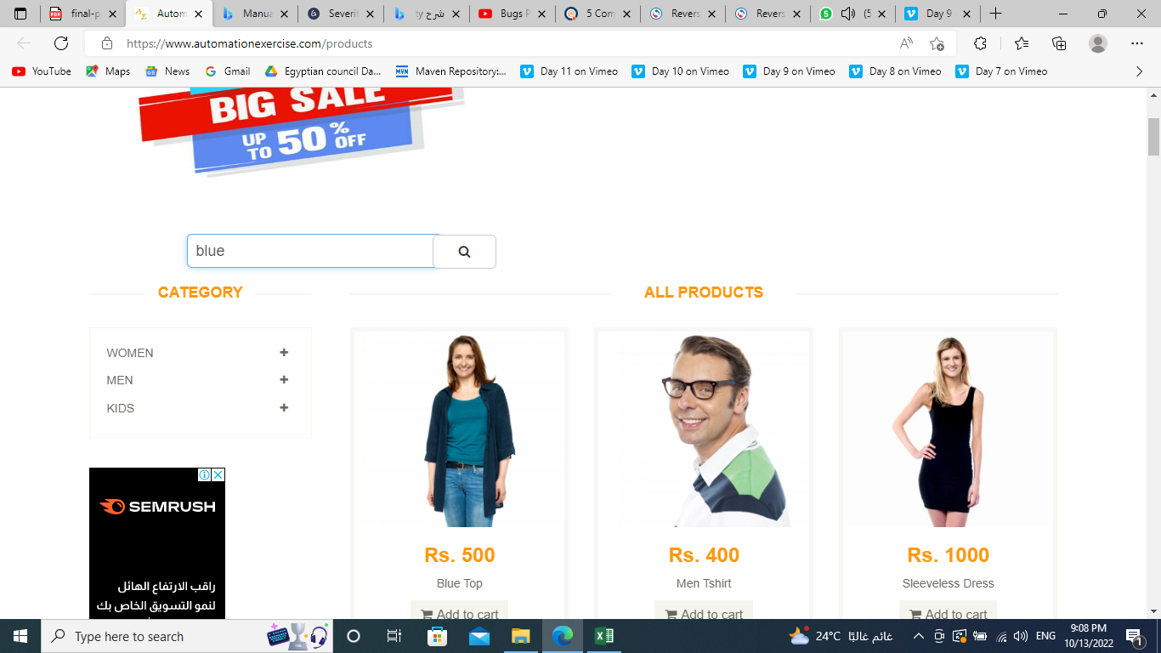
Product_BUG_002 | The user failed to enter keyword in search field with click button search | To be in product page https://www.automationexercise.com/products | 1- open https://www.automationexercise.com/products 2-enter keyword in search field. 3- click on search button | User should see message "There is no results related to this search keyword" | No message had appeared | preprod | critical | high | 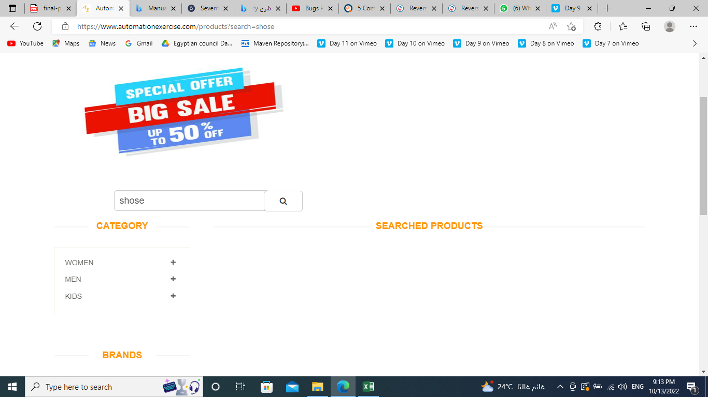
Product_BUG_003 | The user failed to enter keyword in search field with click button search | To be in product page https://www.automationexercise.com/products | 1- open https://www.automationexercise.com/products 2-enter keyword in search field. 3- click on search button | The search keywords result appeared in first list in one product and other related results to these keywords should appear next | The search keywords result appeared in first list in one product and other related results didn't appear next | preprod | critical | high | 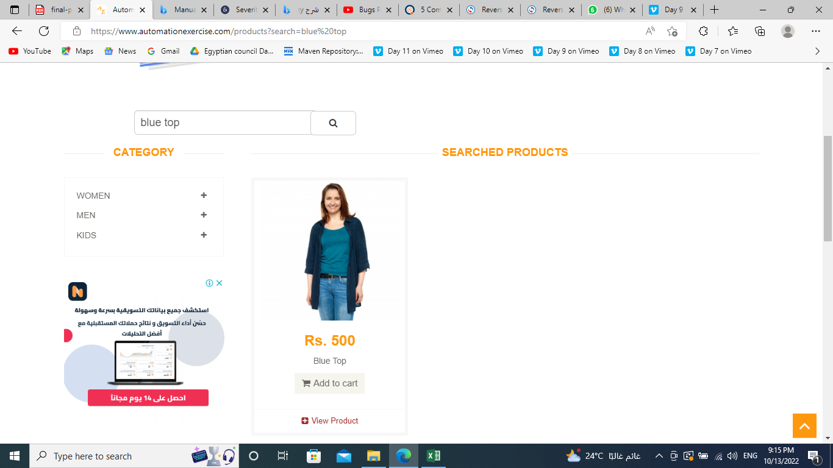
Product_BUG_004 | The user enter keyword in search field with click button search | To be in product page https://www.automationexercise.com/products | 1- open https://www.automationexercise.com/products 2-enter keyword in search field. 3- click on search button | The boxes that contain the product details should be aligned together (Same dimensions height and width) | The boxes weren't aligned together(differnent dimensions height and width) | preprod | critical | high | 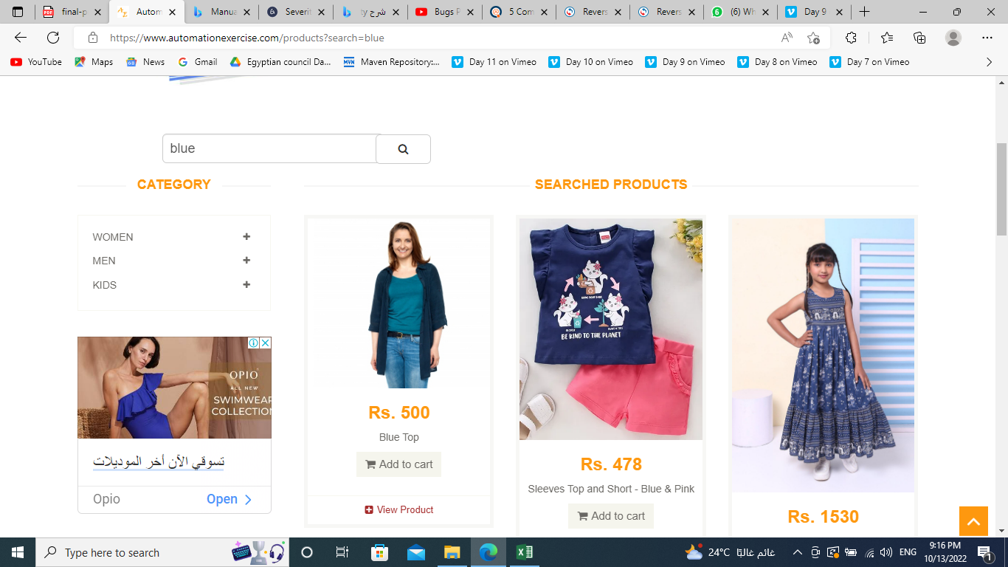

User story 2:

Requirment | Test conditions | Test cases (Test suite) | Bugs
The user access to cart page without login | access to cart page | Cart_TC_001
The user can see the added products to the cart. | Show selected items | Cart_TC_002
User can see details of these products before checkout | View product details | Cart_TC_003
The table should contain 6 columns (Item, Description, Price, Quantity, Total, Remove) | View table of cart | Cart_TC_004
Check the quantity is equal the product that has been selected | Check quantity | Cart_TC_005
Check the quantity is equal the product that has been selected multiple times | Check quantity | Cart_TC_006
Check the quantity is equal the multiple products that has been selected | Check quantity | Cart_TC_007
Check the total price should change according to the quantity of the added products | Check the total price | Cart_TC_008
User should be able to control the quantity of the products from cart page | check control the quantity of the products from cart page | Cart_TC_009 | Cart_BUG_001
User should be able to remove product from his cart by clicking the X sign | check on X sign | Cart_TC_010

Test Cases

ID | Test title | Test preconditions | Test steps | Test data | Expected results | Actual result | Test enviroment | Test status
Cart_TC_001 | User click the navigationbar of Cart without login | Should be on https://www.automationexercise.com/view_cart | 1- open https://www.automationexercise.com 2-click the navigationbar of cart. | Open successfully | Open successfully | Open successfully | preprod | pass
Cart_TC_002 | The user can see the added products to the cart. | Should be on https://www.automationexercise.com/view_cart | 1- open https://www.automationexercise.com/view_cart 2-show selected items | Show selected items | Show selected items. | Show selected items. | preprod | pass
Cart_TC_003 | User can see details of these products before checkout | Should be on https://www.automationexercise.com/view_cart | 1- open https://www.automationexercise.com/view_cart 2-view product details | View product details | View product details | View product details | preprod | pass
Cart_TC_004 | The table should contain 6 columns (Item, Description, Price, Quantity, Total, Remove) | Should be on https://www.automationexercise.com/view_cart | 1- open https://www.automationexercise.com/view_cart 2-view table of cart | View table of cart | There are six columns in this table. | There are six columns in this table. | preprod | pass
Cart_TC_005 | Check the quantity is equal the product that has been selected | Should be on https://www.automationexercise.com/view_cart | 1- open https://www.automationexercise.com/view_cart 2-check quantity | Check quantity | The quantity is equal the product that has been selected | The quantity is equal the product that has been selected | preprod | pass
Cart_TC_006 | Check the quantity is equal the product that has been selected multiple times | Should be on https://www.automationexercise.com/view_cart | 1- open https://www.automationexercise.com/view_cart 2-check quantity | Check quantity | The quantity is equal the product that has been selected multiple times | The quantity is equal the product that has been selected multiple times | preprod | pass
Cart_TC_007 | Check the quantity is equal the multiple products that has been selected | Should be on https://www.automationexercise.com/view_cart | 1- open https://www.automationexercise.com/view_cart 2-check quantity | Check quantity | The quantity is equal the multiple products that has been selected | The quantity is equal the multiple products that has been selected | preprod | pass
Cart_TC_008 | Check the total price should change according to the quantity of the added products | Should be on https://www.automationexercise.com/view_cart | 1- open https://www.automationexercise.com/view_cart 2- check the total price | Check the total price | The total price is based on the quantity of products added. | The total price is based on the quantity of products added. | preprod | pass
Cart_TC_009 | User should be able to control the quantity of the products from cart page | Should be on https://www.automationexercise.com/view_cart | 1- open https://www.automationexercise.com/view_cart 2- check control the quantity of the products from cart page | check control the quantity of the products from cart page | The user able to control the quantity of the products from cart page | The user was not able to control the quantity of the products from cart page | preprod | fail
Cart_TC_0010 | User should be able to remove product from his cart by clicking the X sign | Should be on https://www.automationexercise.com/view_cart | 1- open https://www.automationexercise.com/view_cart 2-click on X sign | Click on X sign | Remove successfully | Remove successfully | preprod | pass

Bug report

ID | Bug title | Bug preconditions | Steps to reproduce bug | Expected results | Actual results | Test enviroment | Bug severity | Bug priority | Evidence
Cart_BUG_001 | User was not able to control the quantity of the products from cart page | Should be on https://www.automationexercise.com/view_cart | 1- open https://www.automationexercise.com/view_cart 2- check control the quantity of the products from cart page | The user able to control the quantity of the products from cart page | The user was not able to control the quantity of the products from cart page | preprod | critical | high

